Home


! click icon to follow !

TCR overview 2022 / 2023 / 2024



Main Impact Map 2023 to 2025

Main Impact Map
Mossend
NL
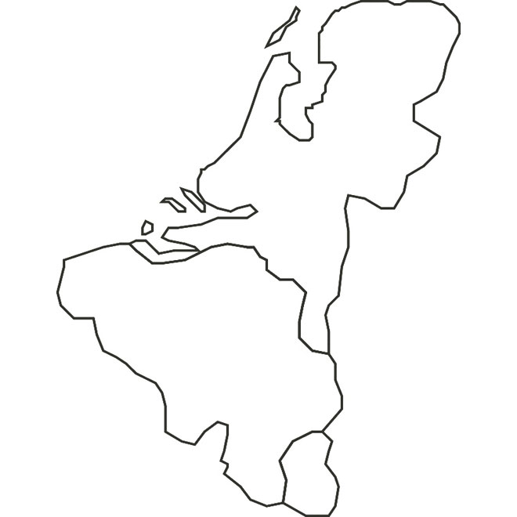

Amsterdam

Maasvlakte LEGENDA: RFC NSM border RFC NSM Section Node Geographical border Overlapping Section with RFC MED RFC NSM Section Junction with RFC Rhine Alpine (+ RFC North Sea-Baltic in Antwerp, Rotterdam and Montzen) Junction with RFC Atlantic Junction with RFC MED
UK
Kijfhoek LEGENDA: RFC NSM border RFC NSM Section Node Geographical border Overlapping Section with RFC MED RFC NSM Section Junction with RFC Rhine Alpine (+ RFC North Sea-Baltic in Antwerp, Rotterdam and Montzen) Junction with RFC Atlantic Junction with RFC MED
Roosendaal LEGENDA: RFC NSM border RFC NSM Section Node Geographical border Overlapping Section with RFC MED RFC NSM Section Junction with RFC Rhine Alpine (+ RFC North Sea-Baltic in Antwerp, Rotterdam and Montzen) Junction with RFC Atlantic Junction with RFC MED
Maintenance works marshallin yard
Zeebrugge
Antwerpen - Nd
Roosendaal - Essen border
London
Dunkerque
Antwerp Seaport maintenance works
Dollands Moor
Kortrijk
Antwerpen - Zuid W.H.
BE

Mouscron fr
La Roche (Villers-la-Ville) Maintenance works
 | Main TCR for TT 2023 to TT 2025
Lille
Blandain
Montzen
Quévy
Liège
Namur
 | 14/10/2022 intermediate update Version 1
click on the comments for a direct link to TCR details
Somain
Jeumont fr/Erquelinnes
Bertrix-Gedinne catenary works

LU

FR
Tergnier
Aubange
Luxembourg-Bettembourg Summer 2023 renewal of the line
Mont-St-Martin fr
Bettembourg
Zoufftgen fr

Thionville
ANE
Track renewal
2023
Metz

Toul
Plaine d'Alsace
Track renewal
2023
Paris (Valenton)
Plaine d'Alsace

Legenda map
corridor section
TCR with high capacity impact
RFC NSM junction point
RFC NSM junction shared with RFC Mediterranean
RFC NSM junction with RFC Atlantic
RFC NSM junction with RFC RALP
State/IM border
RFC NSM section shared with RFC Mediterranean
TTR Pilot lines Rotterdam - Antwerpen

Mulhouse
St. Louis fr /
St. Johann Grenze
Dijon
Basel St Jean Basel SBB Track works various weekends
Basel
CH

Geneva La Praille

Lyon
Ambérieu

Marseille

